Sheet1
IMAGE | STYLE NUMBER | STYLE DESCRIPTION | COLOUR DESCRIPTION | SIZE BREAKDOWN |  |  |  |  | TOTAL | RRP
 |  |  |  | S | M | L | XL | XXL | PCS
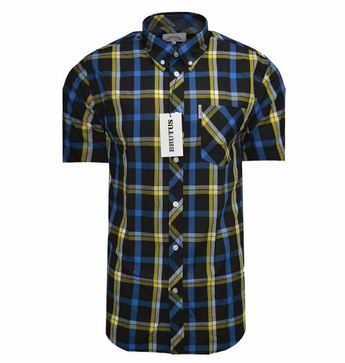 | 10001 | Brutus S/S Shirt | Black Heritage Check | 38 | 87 | 331 | 33 | 0 | 489 | £50.00
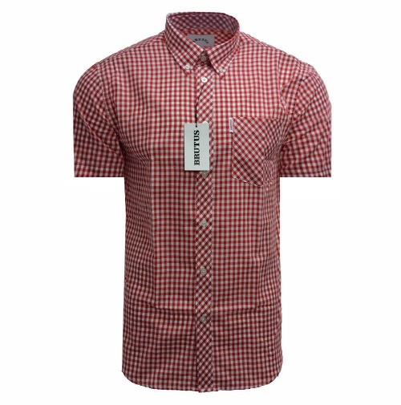 | 10002 | Brutus S/S Shirt | Red Gingham | 85 | 183 | 460 | 144 | 35 | 907 | £50.00
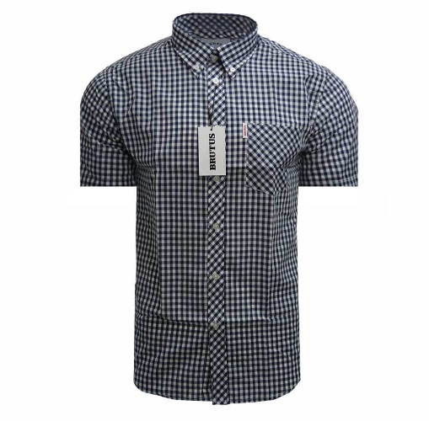 | 10003 | Brutus S/S Shirt | Navy Gingham | 76 | 168 | 461 | 124 | 66 | 895 | £50.00
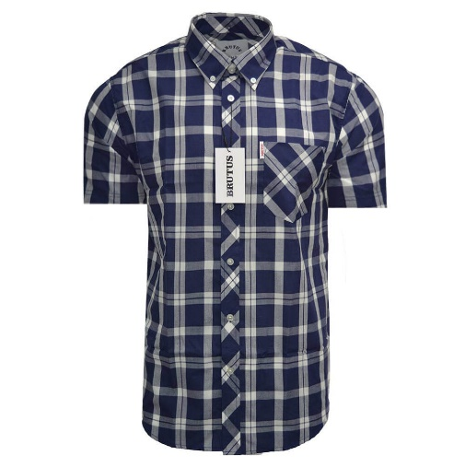 | 10004 | Brutus S/S Shirt | Navy Check | 67 | 160 | 391 | 121 | 44 | 783 | £50.00
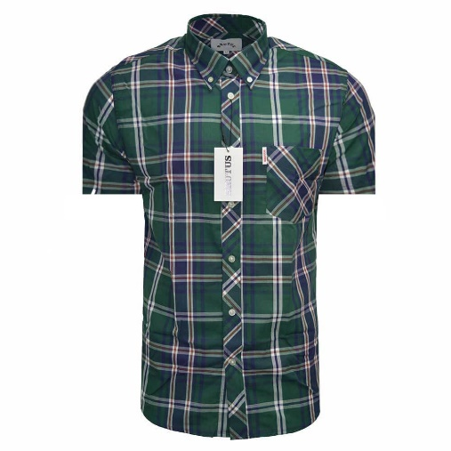 | 10005 | Brutus S/S Shirt | Green Tartan | 85 | 174 | 451 | 162 | 70 | 942 | £50.00
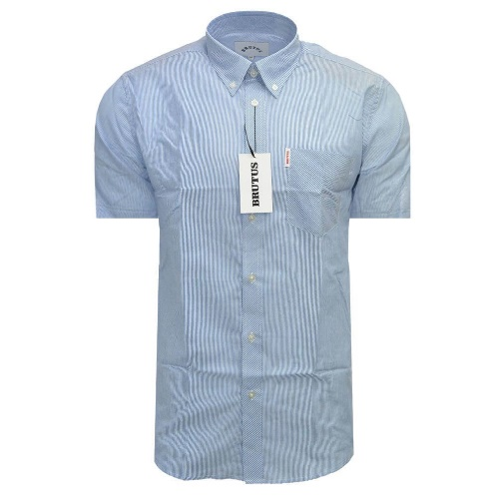 | 10006 | Brutus S/S Shirt | Blue Pin Stripe | 103 | 245 | 586 | 181 | 96 | 1211 | £50.00
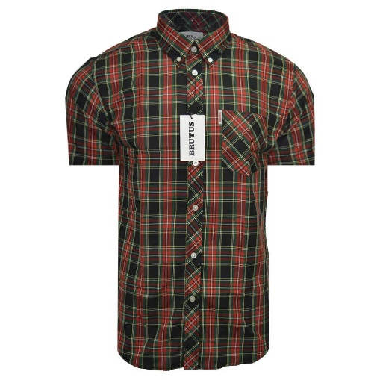 | 10007 | Brutus S/S Shirt | Black Tartan | 56 | 129 | 219 | 98 | 70 | 572 | £50.00
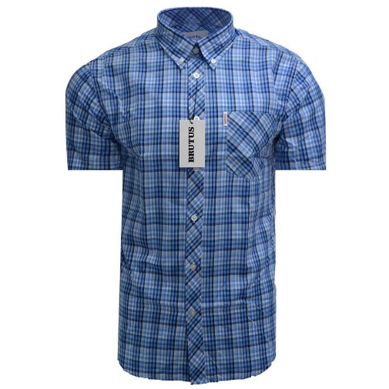 | 10008 | Brutus S/S Shirt | Light Blue Multi Gingham | 89 | 215 | 497 | 177 | 87 | 1065 | £50.00
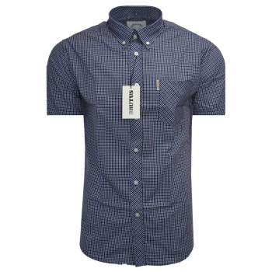 | 10009 | Brutus S/S Shirt | Purple Check | 106 | 242 | 582 | 206 | 100 | 1236 | £50.00
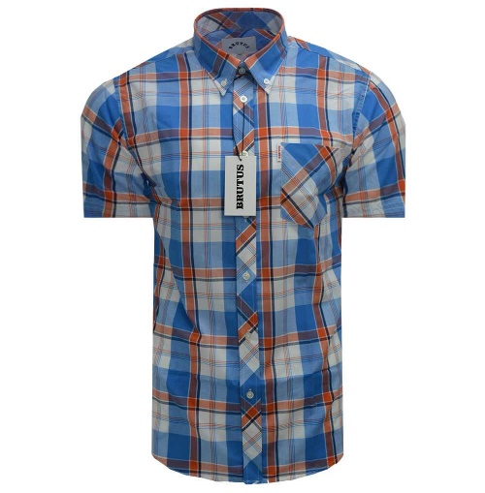 | 100010 | Brutus S/S Shirt | Orange Check | 35 | 95 | 250 | 35 | 0 | 415 | £50.00
 | MUST BE SOLD TO THE PRE PACK: |  |  |  |  |  |  |  | 8515
 | S/1 M/2 L/4 XL/2 XXL/1 (10pcs)

